Workout
Accounting and Financial Analysis

Workout
 | Calculate marginal tax rate and effective tax rate for Year 2 only.
 | There were no non recurring items affecting the income statement.

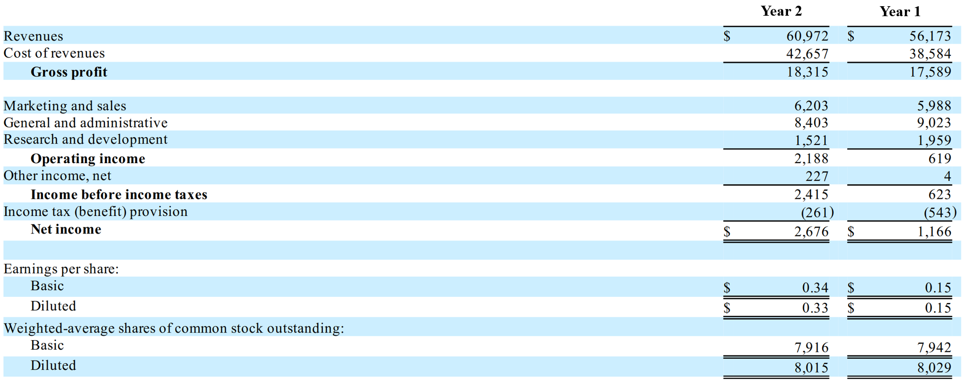

 |  | Year 2
 | Marginal tax rate | 33.3%

 | Income before income taxes | 2,415.0
 | Income tax | 261.0
 | Effective tax rate | 10.8%

End

